PROFILE
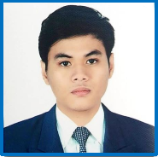
PHOTO
here
 | ENCODE INFORMATION IN WHITE CELLS ONLY. THANKS! |  |  |  | WRITE ONLY IN WHITE CELLS
PROFILE: CS INTERN

 |  | INTERN'S PROFILE:
 |  | Intern's Fullname: |  | LAYA, JHANCE BREDH C. |  |  |  |  |  |  |  | Deg. Program: |  | BSCSSE |  |  | Student No.: |  | 201512988
 |  | Term & SY: | 2T 1819 |  | Section: | N491 |  | Course Code : |  |  | ITEINTERN1 | Email Add: |  | jbclaya@gmail.com |  |  | Mobile No.: |  | 09770489005
 |  |  |  |  | Nickname: | Jhance |  | 1X1 Photo: |  |  | okay | Intern's Scanned COR with Specimen Signature: |  |  |  |  |  |  | okay

 |  | Parent/Guardian's Name: |  |  | Belinda C. Laya |  |  | Relation: |  | MOTHER |  | Mobile No.: |  |  |  | 9177282826

 |  | Home Address: |  |  | 853 San Diego St. Brgy. 521 Sampaloc Manila |  |  |  |  |  |  | Provincial Address (if any):

 |  | DEPLOYMENT DETAILS:
 |  | Company: | Kalibrr |  |  |  |  |  |  |  |  | Target Date: |  | 2019-03-27
 |  | Supervisor's Name: |  |  | Aivin Solatorio |  |  |  |  |  |  | 2nd Signatory's Name:
 |  | Supervisor's Office No: |  |  |  |  | Email Add: |  | aivin@kalibrr.com |  |  | Office No: |  |  |  | Email Add:
 |  | Position in the Company: |  |  | Senior Manager |  |  |  |  |  |  | Supervisor' s Company ID card with Specimen Sig: |  |  |  |  |  | okay

 |  | WORK SCHEDULE

 |  |  |  |  | Write the target no. of hours per week in the next box: |  |  |  |  |  |  |  |  |  | 40 hr/flexible
 |  |  |  |  | Day: | Monday |  | Tuesday |  |  | Wednesday |  | Thursday |  | Friday |  | Saturday
 |  |  |  |  | Time: | 10:00 AM - 7:00 PM |  | 10:00 AM - 7:00 PM |  |  | 10:00 AM - 7:00 PM |  | 10:00 AM - 7:00 PM |  | 10:00 AM - 7:00 PM

GALLERY
GALLERY

SUPERVISOR’s NAME: | Aivin Solatorio |  | SECONDARY SIGNATORY’s NAME:
(with Specimen Signature) |  |  | (with Specimen Signature)

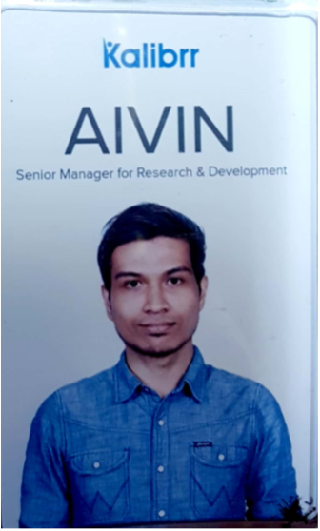
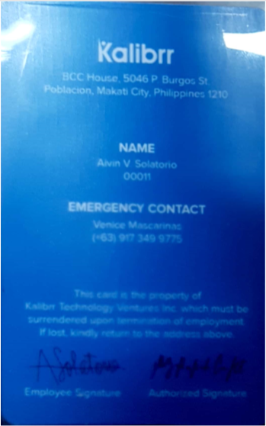

INTERN's NAME: |  | LAYA, JHANCE BREDH C.
Scanned COR signed by intern
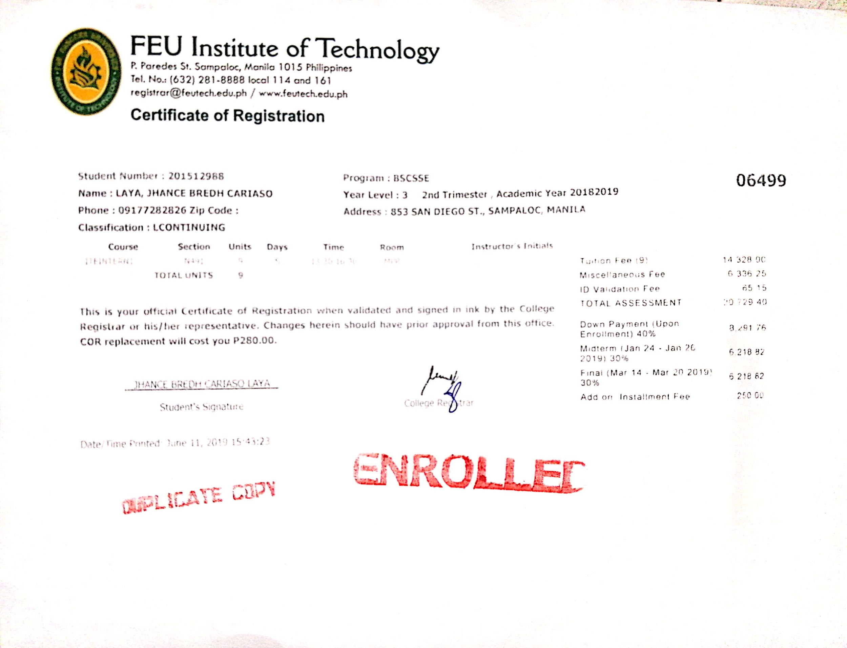

 |  |  |  | ok

